MKJQ MARWAN 9 21 0351
 |  |  |  | GOODS RECEIVED NOTE

Sender |  |  |  | Received Date
Marwan |  |  |  | 2021-10-22
 |  |  |  | NO BA QC :
 |  |  |  | BA-2021-419
 |  |  |  | Ship via |  |  | Plat Number

PO No. | Code | Item | Quantity DO | QC |  |  | Remarks
 |  |  |  | Pass | Reject | Total
MKJQ/MARWAN/9/21/0351 | VIS-VS050200321000 | NOBU WALLETS (BLACK) | 110 | 118 |  | 118
 |  |  |  | 118 | 0 | 118
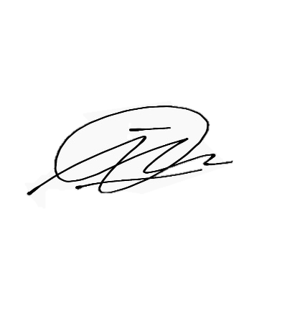

Notes
 |  |  | Received By |  |  | Checked By

 |  |  | Imam D |  |  | Imam D

 |  |  | Date |  |  | Date
 |  |  | 2021-10-22 |  |  | 2021-10-25

